PWM_INOUT_ULTRASONIC15.3 UNO
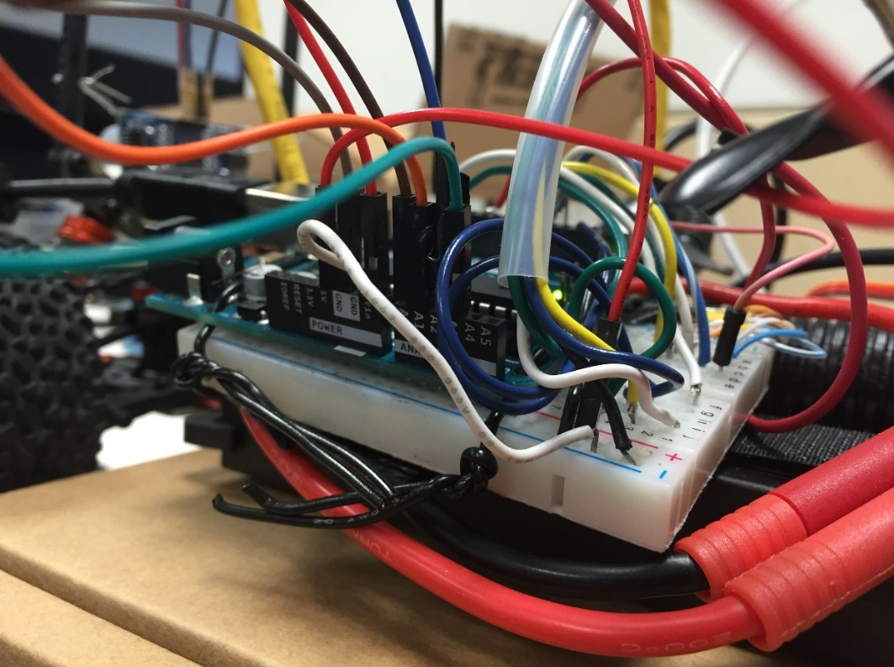
RC Car Arduino Port Map as of Code Version PWM_INOUT_ULTRASONIC15.3

Arduino Uno

Port | Use | Encoder Ports | Wire |  |  | Reciever Ports | Wire
Digital - PWM 0 | EMPTY | Breakout Board - | Blue Stripe | Gnd | Shorted | Breakout Board I1 | White
Digital - PWM 1 | EMPTY | Breakout Board B1 | Blue | S1 |  | Breakout Board H4 | Blue
Digital - PWM 2 | Breakout Board G3 | Breakout Board B2 | Orange Stripe | S2 |  | Breakout Board J3 | Yellow
Digital - PWM 3 | Breakout Board F4 | Breakout Board B3 | Orange | S3 |  | Breakout Board I5 | Green
Digital - PWM 4 | Breakout Board C1 | Breakout Board B4 | Brown Stripe | H1 |  | Breakout Board - | Black
Digital - PWM 5 | Breakout Board C2 | Breakout Board B5 | Brown | H2
Digital - PWM 6 | Breakout Board C3
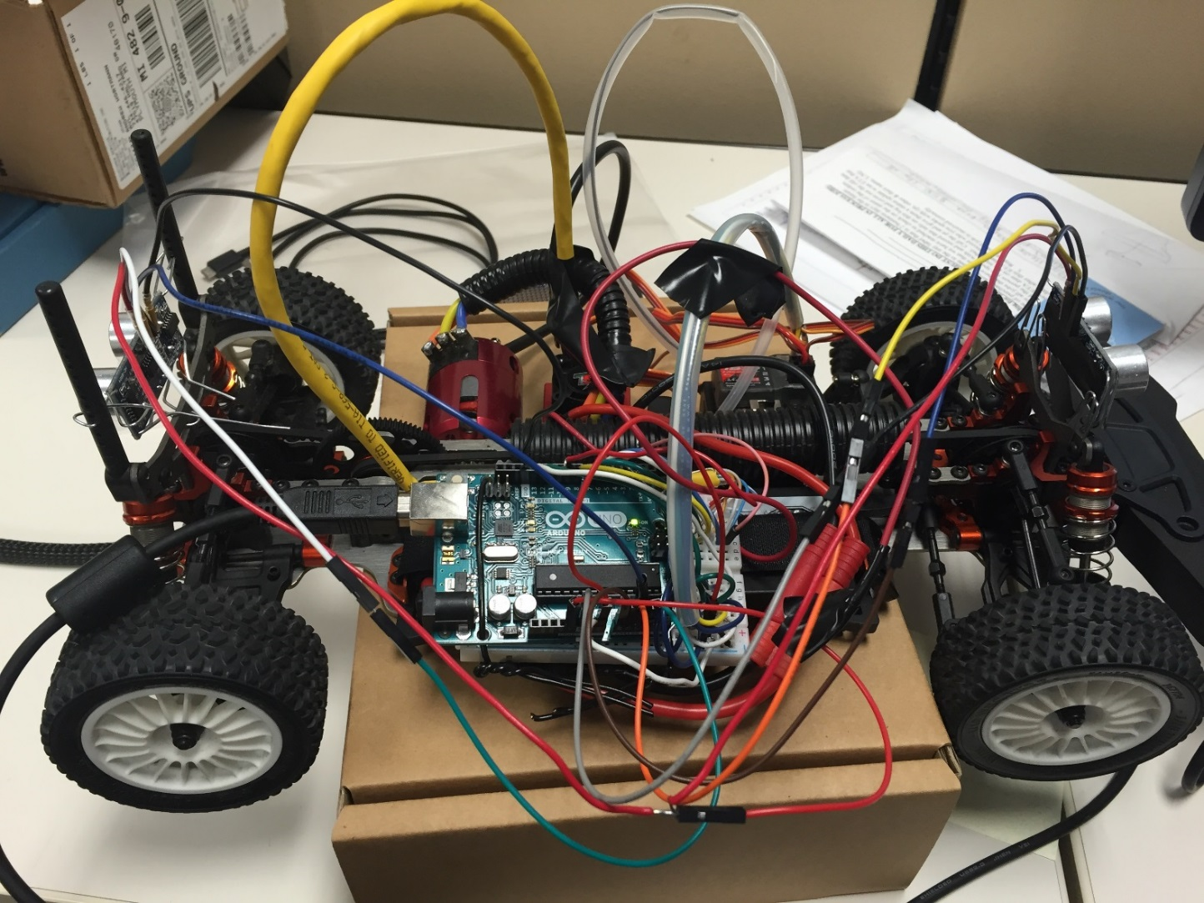
Digital - PWM 7 | Breakout Board C4
Digital - PWM 8 | Breakout Board C5
Digital - PWM 9 | EMPTY
Digital - PWM 10 | SHORT to Breakout Board -
Digital - PWM 11 | EMPTY
Digital - PWM 12 | Breakout Board I5
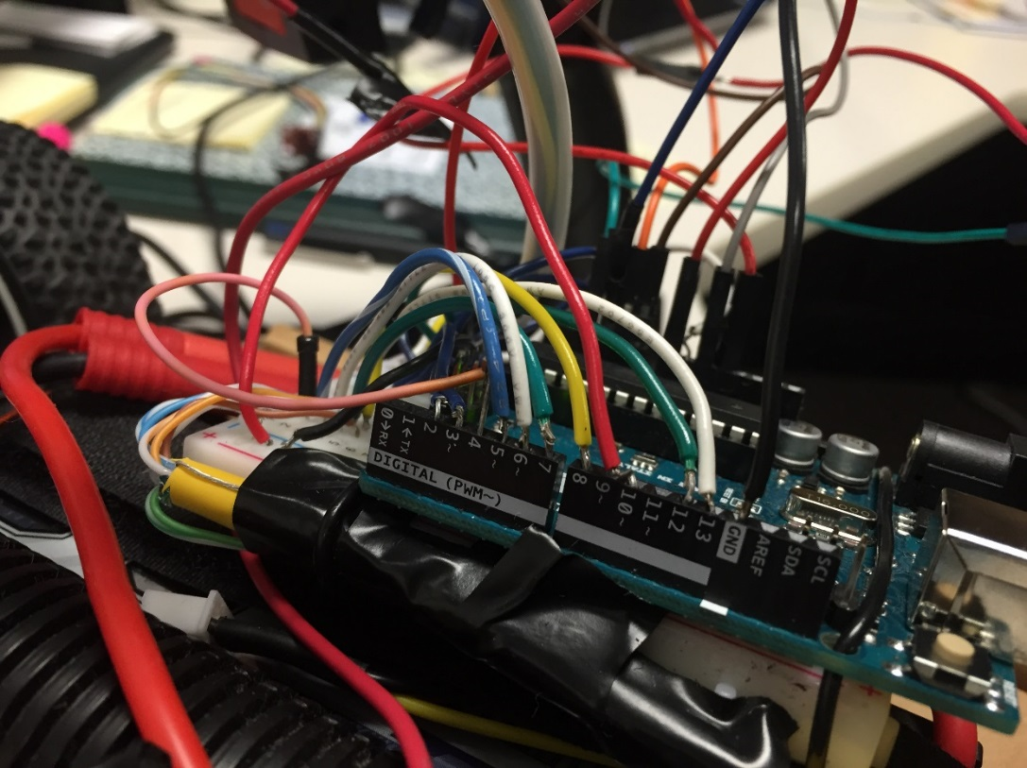
Digital - PWM 13 | Breakout Board F1
Digital - PWM GND | Back Ultrasonic Sensor Ground
AREF | EMPTY
SDA | EMPTY
SCL | EMPTY
Analog - A0 | Front Ultrasonic TRIG
Analog - A1 | Front Ultrasonic ECHO
Analog - A2 | Back Ultrasonic TRIG
Analog - A3 | Back Ultrasonic ECHO
Analog - A4 | EMPTY
Analog - A5 | EMPTY
Power - VIN | Breakout Board +
Power - GND | Breakout Board -
Power - GND | Front Ultrasonic GND
Power - 5v | SPLIT Front/Back Ultrasonic VCC
Power - 3.3v | EMPTY
Power - Reset | EMPTY
Power - IOREF | EMPTY

PWM_INOUT_ULTRASONIC16.0 DUE
RC Car Arduino Port Map as of Code Version PWM_INOUT_ULTRASONIC15.3
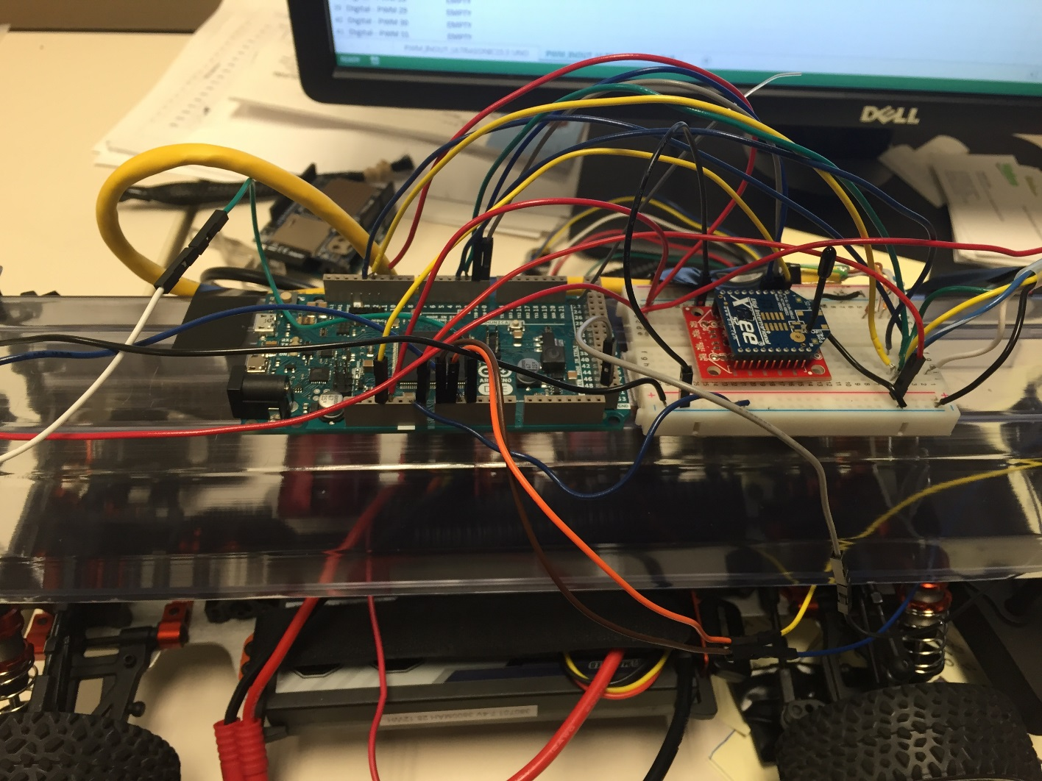
Arduino Due

Port | Use |  | Encoder Ports | Wire | Reciever Ports | Wire
Digital - PWM 0 RX0 | Breakout Board A16(XBEE TX) |  | Breakout Board B1 | Blue | Breakout Board I1 | White
Digital - PWM 1 TX0 | Breakout Board A17(XBEE RX) |  | Breakout Board B2 | Orange Stripe | Breakout Board J4 | Blue Stripe
Digital - PWM 2 | Breakout Board G3 |  | Breakout Board B3 | Orange | Breakout Board J3 | Yellow
Digital - PWM 3 | Breakout Board F4 |  | Breakout Board B4 | Brown Stripe | Breakout Board J5 | Green
Digital - PWM 4 | Breakout Board C1 | Encoder Wire unplugged due to short causing throttle to cut out | Breakout Board B5 | Brown | Breakout Board - | Black
Digital - PWM 5 | Breakout Board C2 |  | Breakout Board - | Blue Stripe
Digital - PWM 6 | Breakout Board C3
Digital - PWM 7 | Breakout Board C4
Digital - PWM 8 | Breakout Board C5
Digital - PWM 9 | EMPTY
Digital - PWM 10 | SHORT to Breakout Board A30
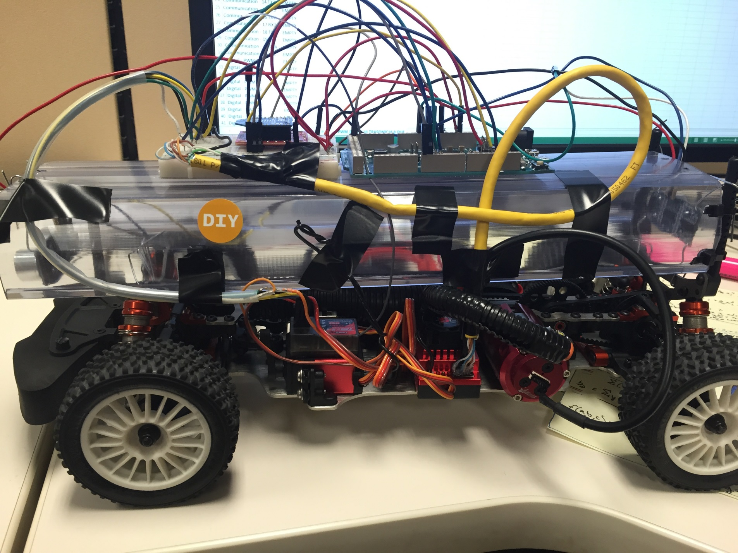
Digital - PWM 11 | EMPTY
Digital - PWM 12 | Breakout Board I5
Digital - PWM 13 | Breakout Board F1
Digital - PWM GND | EMPTY
AREF | EMPTY
SDA1 | EMPTY
SCL1 | EMPTY
Communication - 14 TX3 | EMPTY
Communication - 15 RX3 | EMPTY
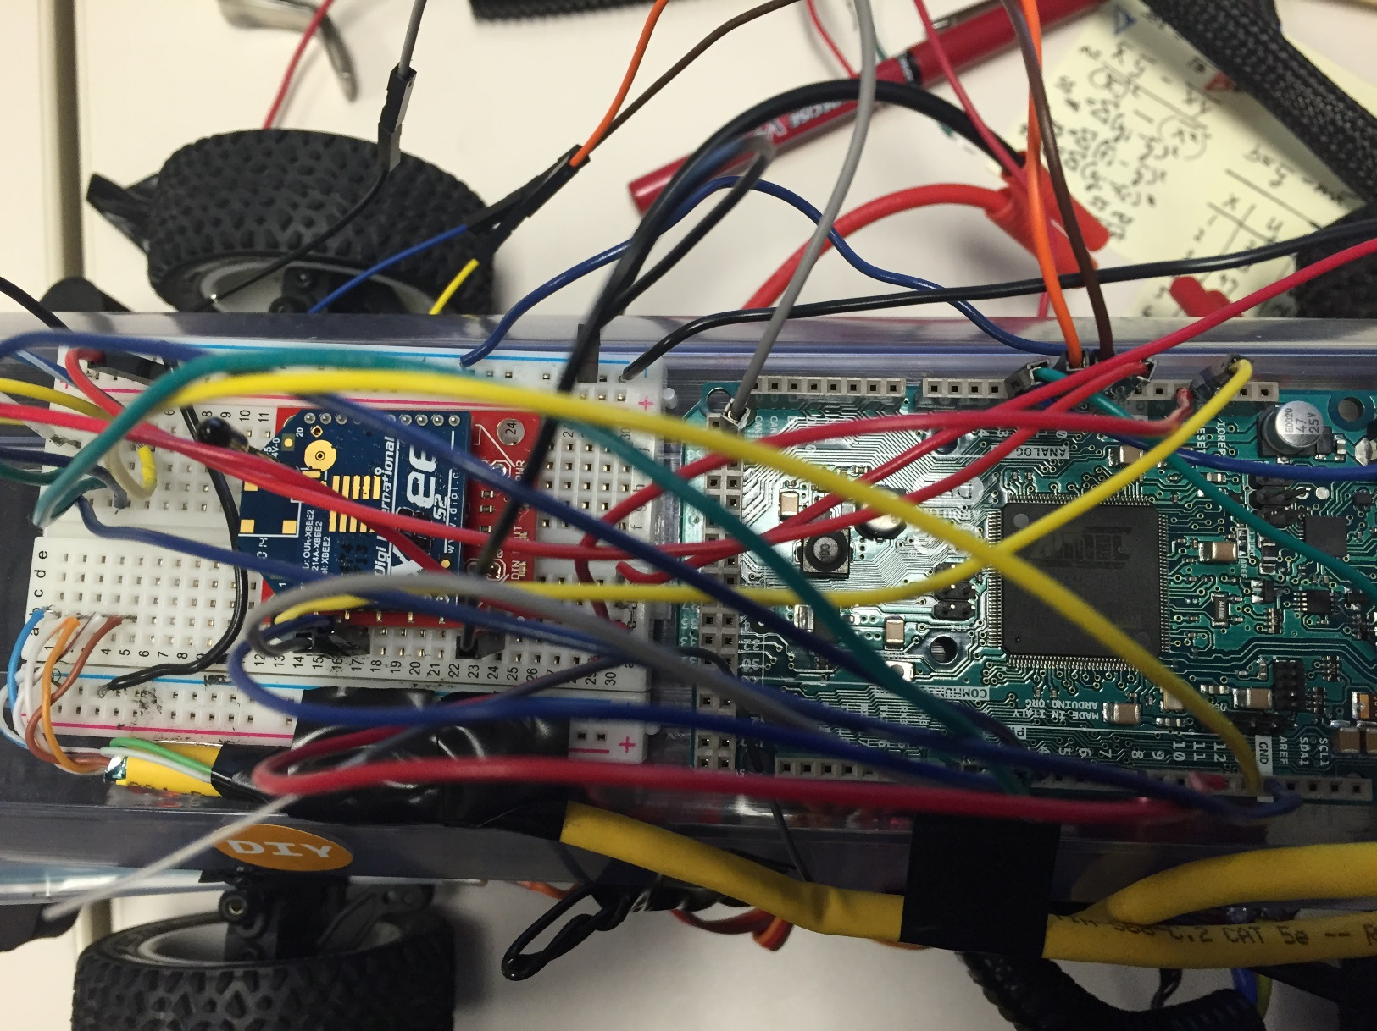
Communication - 16 TX2 | EMPTY
Communication - 17 RX2 | EMPTY
Communication - 18 TX1 | EMPTY
Communication - 19 RX1 | EMPTY
Communication - 20 SDA | EMPTY
Communication - 21 SCL | EMPTY
Digital - PWM 22 | EMPTY
Digital - PWM 23 | EMPTY
Digital - PWM 24 | EMPTY
Digital - PWM 25 | EMPTY
Digital - PWM 26 | EMPTY
Digital - PWM 27 | EMPTY
Digital - PWM 28 | EMPTY
Digital - PWM 29 | EMPTY
Digital - PWM 30 | EMPTY
Digital - PWM 31 | EMPTY
Digital - PWM 32 | EMPTY
Digital - PWM 33 | EMPTY
Digital - PWM 34 | EMPTY
Digital - PWM 35 | EMPTY
Digital - PWM 36 | EMPTY
Digital - PWM 37 | EMPTY
Digital - PWM 38 | EMPTY
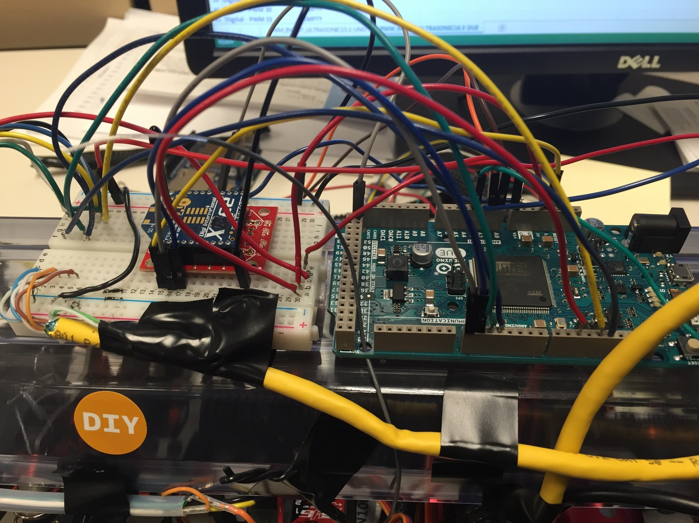
Digital - PWM 39 | EMPTY
Digital - PWM 40 | EMPTY
Digital - PWM 41 | EMPTY
Digital - PWM 42 | EMPTY
Digital - PWM 43 | EMPTY
Digital - PWM 44 | EMPTY
Digital - PWM 45 | EMPTY
Digital - PWM 46 | EMPTY
Digital - PWM 47 | EMPTY
Digital - PWM 48 | EMPTY
Digital - PWM 49 | EMPTY
Digital - PWM 50 | EMPTY
Digital - PWM 51 | EMPTY
Digital - PWM 52 | EMPTY
Digital - PWM 53 | EMPTY
Digital - PWM GND | Font Ultrasonic GND
Digital - PWM GND | EMPTY
CANTX | EMPTY
CANRX | EMPTY
DAC1 | EMPTY
DAC0 | EMPTY
Analog - A0 | Front Ultrasoinc Trig
Analog - A1 | Front Ultrasoinc Echo
Analog - A2 | Back Ultrasonic Trig
Analog - A3 | Back Ultrasonic Echo
Analog - A4 | EMPTY
Analog - A5 | EMPTY
Analog - A6 | EMPTY
Analog - A7 | EMPTY
Analog - A8 | EMPTY
Analog - A9 | EMPTY
Analog - A10 | EMPTY
Analog - A11 | EMPTY
Power - IOREF | EMPTY
Power - RESET | EMPTY
Power - 3.3V | Breakout Board A15(XBEE POWER)
Power - 5V | Breakout Board B30(Plug ultrasonic power into C30 and D30)
Power - GND | Breakout Board - rail
Power - GND | EMPTY
Power - Vin | Brakout Board + rail

